PVT
Monthly Rate |  |  |  | Monthly Balance
 |  |  |  | 264192.9 |  |  |  |  |  |  |  |  |  |  |  |  |  |  |  |  |  |  |  |  |  |  |  |  |  |  |  |  |  |  | 8 | Destination | 61 | Fright
 | Rate | Expenses | Balance |  |  | Row Labels | Count of Customer Type | Sum of Insurance | Sum of Fuel | Sum of Diesel Exhaust Fluid | Sum of Advance | Sum of Warehouse | Count of Repairs | Sum of Tolls | Sum of Fundings |  |  |  |  |  |  |  |  |  |  |  |  |  |  |  |  |  |  |  |  |  |  |  | Row Labels | Count of Load | Sum of Tonnage
 | $359,038 | $94,845 | 264,193 | Row Labels | Sum of Balance | New Customer | 11 | 8,052 | 23,720 | 3,164 | 15,250 | 7,785 | 39 | 7,372 | 1,196 | Row Labels |  |  |  | Row Labels | Sum of Rate | Sum of Total Expenses | Sum of Odometer | Sum of Miles | Sum of Rate Per Miles | Sum of Extra Pay | Sum of Extra Stops | Sum of Costs Driver Paid |  | Row Labels | Row Labels | Sum of Rate | Row Labels | Count of Destination |  | Row Labels | Count of Destination |  | Iron | 13 | 236 |  | 61 | Fright | 1047.8 | Total Tonnage
 | 79% | 21% |  | Jan | $11,949 | Retaining Customer | 50 |  |  |  |  |  |  |  |  | Jan | Jan | . |  | Jan | $16,668 | $4,719 | $18,170 | $21,353 | $14,947 | $1,546 | $6,100 | $3,498 | $26,091 | Alessandro Smith | Alessandro Smith | $80,337 | Alberta | 4 |  | Alberta | 6 |  | Sand | 17 | 284
 |  |  |  | Feb | $12,139 | Grand Total | 61 | Insurance | Fuel | Diesel Exhaust Fluid | Advance | Warehouse | Repairs | Tolls | Fundings | Feb | Feb | . | . | Feb | $18,268 | $6,129 |  |  |  |  |  |  |  | Beauregard Mike | Beauregard Mike | $73,954 | British Columbia | 6 |  | British Columbia | 6 |  | Wood | 31 | 528
 |  |  |  | Mar | $9,472 |  |  | 8,052 | 23,720 | 3,164 | 15,250 | 7785 | 39 | 7372 | 1196 | Mar | Mar | . |  | Mar | $17,290 | $7,819 | Odometer | Miles | Rate Per Miles | Extra Pay | Extra Stops | Costs Driver Paid |  | Jaison Augustine | Jaison Augustine | $112,585 | Manitoba | 10 |  | Manitoba | 10 |  | Grand Total | 61 | 1,048
 |  |  |  | Apr | $14,519 |  |  |  |  |  |  |  |  |  |  | Apr | Apr | . |  | Apr | $19,299 | $4,780 |  |  |  |  |  |  |  | Jean Bartholomew | Jean Bartholomew | $92,162 | New Brunswick | 7 |  | New Brunswick | 7
 | Sum of Rate | Sum of Total Expenses | Sum of Balance | May | $28,744 |  |  |  |  |  |  |  |  |  |  | May | May | . |  | May | $35,060 | $6,316 |  |  |  |  |  |  |  | Grand Total | Grand Total | $359,038 | Nova Scotia | 5 |  | Nova Scotia | 5 |  | Iron | Sand | Wood |  | Fright | Total Tonnage
 | $359,038 | $94,845 | $264,193 | Jun | $16,092 |  |  |  |  |  |  |  |  |  |  | Jun | Jun | . |  | Jun | $21,728 | $5,636 |  |  |  |  |  |  |  |  |  |  | Nunavut | 27 |  | Nunavut | 27 |  | 13 | 17 | 31 |  | 61 | 1,048
 |  |  |  | Jul | $61,991 |  |  |  |  |  |  |  |  |  |  | Jul | Jul | . |  | Jul | $81,336 | $19,345 |  |  |  |  |  |  |  |  |  |  | Nunavut. | 1 |  | Nunavut. | 1 |  | 236 | 284 | 528
 |  |  |  | Aug | $20,037 |  |  |  |  |  |  | Warehouse |  |  |  | Aug | Aug | . |  | Aug | $26,172 | $6,135 |  |  |  |  |  |  |  |  |  |  | Yukon | 1 |  | Yukon | 1
 |  |  |  | Sep | $28,741 |  |  |  |  |  |  | Repairs |  |  |  | Sep | Sep | . |  | Sep | $34,532 | $5,791 |  |  |  |  |  |  |  |  |  |  | Grand Total | $61
 |  |  |  | Oct | $33,422 |  |  |  |  |  |  | Tolls |  |  |  | Oct | Oct | . |  | Oct | $48,914 | $15,492
 |  |  |  | Nov | $15,819 |  |  |  |  |  |  | Fundings |  |  |  | Nov | Nov | . |  | Nov | $23,910 | $8,092
 |  |  |  | Dec | $11,271 |  |  |  |  |  |  |  |  |  |  | Dec | Dec | . |  | Dec | $15,861 | $4,590
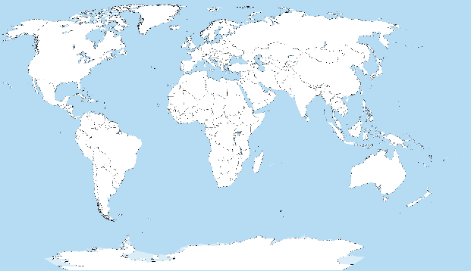
 |  |  |  | Grand Total | $264,193 |  |  |  |  |  |  |  |  |  |  | Grand Total |  |  |  | Grand Total | $359,038 | $94,845

 |  |  |  |  |  |  |  |  |  |  |  |  |  |  |  |  |  |  |  |  |  |  |  |  |  |  |  |  |  |  |  |  |  |  |  |  |  |  | 61 | Fright | / | 8 | Destination

 |  |  |  |  |  |  |  |  |  |  |  |  |  |  |  |  |  |  |  |  |  |  |  |  |  |  |  |  |  |  |  |  |  |  | 8 | Destination | 61 | Fright

 |  |  |  | Row Labels | Sum of Balance
 |  |  |  | Jan | $11,949
 |  |  |  | Feb | $12,139
 |  |  |  | Mar | $9,472
 |  |  |  | Apr | $14,519
 |  |  |  | May | $28,744
 |  |  |  | Jun | $16,092
 |  |  |  | Jul | $61,991
 |  |  |  | Aug | $20,037
 |  |  |  | Sep | $28,741
 |  |  |  | Oct | $33,422
 |  |  |  | Nov | $15,819
 |  |  |  | Dec | $11,271
 |  |  |  | Grand Total | $264,193

Dashboard
www.aramex.com

$
 | 264,193 |  |  |  |  |  |  | Track Expenses
 | Monthly Balance
 |  |  |  |  |  |  |  | Insurance
 | Total
Jan | $11,949
Feb | $12,139
Mar | $9,472
Apr | $14,519
May | $28,744
Jun | $16,092
Jul | $61,991
Aug | $20,037
Sep | $28,741
Oct | $33,422
Nov | $15,819
Dec | $11,271
Year To Date |  | 264,193 |  |  |  |  |  |  | 8,052
 |  |  |  |  |  |  |  | Fuel | 23,720
 |  |  | Income |  | Expenses
New Customer |  | 11 | 359,038 |  | 94,845 |  |  | Diesel Exhaust Fluid | 3,164
Retaining Customer |  | 50 | 79% |  | 21%
 |  |  |  |  |  |  |  | Advance | 15,250

 | Sum of Rate | Sum of Total Expenses
Jan | $16,668 | $4,719
Feb | $18,268 | $6,129
Mar | $17,290 | $7,819
Apr | $19,299 | $4,780
May | $35,060 | $6,316
Jun | $21,728 | $5,636
Jul | $81,336 | $19,345
Aug | $26,172 | $6,135
Sep | $34,532 | $5,791
Oct | $48,914 | $15,492
Nov | $23,910 | $8,092
Dec | $15,861 | $4,590
 |  |  | Income & Expenses
Driver Payroll |  | $26,091 |  |  |  |  |  | Freight Expenses

$18,170 | $21,353 | $14,947 |  |  |  |  |  | Warehouse | 7,785
Odometer | Miles | Rate Per Miles
 |  |  |  |  |  |  |  | Repairs | 39

$1,546 | $6,100 | $3,498 |  |  |  |  |  | Tolls | 7,372
Extra Pay | Extra Stops | Costs Driver Paid
 |  |  |  |  |  |  |  | Fundings | 1,196

 | Total
Alessandro Smith | $80,337
Beauregard Mike | $73,954
Jaison Augustine | $112,585
Jean Bartholomew | $92,162
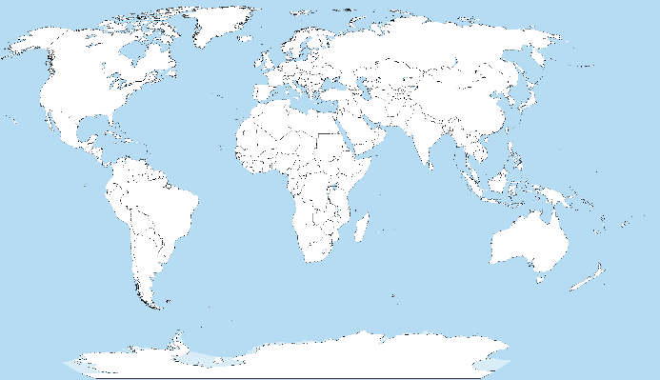
 |  |  |  | Destination |  | Load
Drivers Name
 |  |  |  |  |  |  | Iron | 13 | Tone | 236 | Frt.

 |  |  |  |  |  |  | Sand | 17 | Tone | 284 | Frt.

 |  |  |  |  |  |  | Wood | 31 | Tone | 528 | Frt.

 |  |  |  |  |  |  | 1047.8 | Tone | - | 61 | Fright

